Sheet1
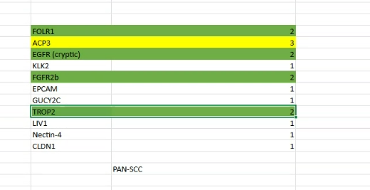

CEP55 | CLDN4 | MET | STEAP1 | STEAP2 | LIV1 | Tim1

 |  | OLFM4 | RNF43 | MELTF

